Network&LoadFlow_Data_WorstCase
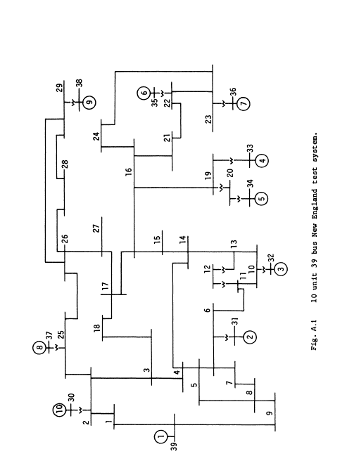
WF3_bus42
SC3
42
SC2
41
WF2_bus41
40
WF1_bus40
39 bus New England Test system modified for ATTEST project (3 Sync. Condensers (SC) + 3 Wind Farms (WF)

NOTE: Network Data in the Matlab file ("ATTEST_IEEE39_buses_with_WF&SC_Worst_Case.m") as sent in email in 11/07/2022

Load Flow Data and Dynamic Relevant Input Data for the ANN
 |  |  | Input Var1 | Input Var2 | Input Var3 | Input Var4 | Input Var5 | Input Var6
Total_Load_P(MW) | SM_Total_Pgen_(without Losses) MW | Pgen_Load_id2_bus39_interlig (MW) | SM_Total_Pgen_(with Losses) MW | Wind_total_power (MW) | SC1_bus34_Inertia_On (p.u.*Machine_Mbase [s]) | SC2_bus37_Inertia_On (p.u.*Machine_Mbase [s]) | SC3_bus38_Inertia_On (p.u.*Machine_Mbase [s]) | Total_Inertia_SM_On (p.u.*Machine_Mbase [s]) | Total_Inertia_ON_SC (p.u.*Machine_Mbase [s]) | Total_Inertia_ON_SM_and_SC (p.u.*Machine_Mbase [s])
3353.662 | 963 | 17.13 | 1037.341156 | 2407.799 | 0 | 0 | 0 | 20890.3 | 0 | 20890.3

Machines Status (0 - Off; 1 - On)
Status_sm_bus30 | Status_sm_bus31 | Status_sm_bus32 | Status_sm_bus33 | Status_sc_bus34 | Status_sm_bus35 | Status_sm_bus36 | Status_sc_bus_37 | Status_sc_bus38 | Status_sm_bus39 | Status_WF_bus40 | Status_WF_bus41 | Status_WF_bus42
0 | 1 | 0 | 1 | 0 | 0 | 0 | 0 | 0 | 1 | 1 | 1 | 1

Machines P_Gen Dispatch in MW (with Losses - after Load Flow Run)
sm_bus30 | sm_bus31 | sm_bus32 | sm_bus33 | sc_bus34 | sm_bus35 | sm_bus36 | sc_bus_37 | sc_bus38 | sm_bus39 | WF_bus40 | WF_bus41 | WF_bus42
0 | 290.34103394 | 0 | 247.00012207 | 0 | 0 | 0 | 0 | 0 | 500 | 770.49584961 | 674.18353271 | 963.11932373 | 2407.7987061

 |  | Output Var1 | Output Var2
 |  | ROCOF (Hz/s) | Nadir (Hz)
Dynamic Results (True Values) |  | 1.8394366603 | 1.0015715908
ANN Results (Estimated Values) |  | To be Estimed by LIST/ICENT (see comment) | To be Estimed by LIST/ICENT (see comment)

ANN Architecture_Model
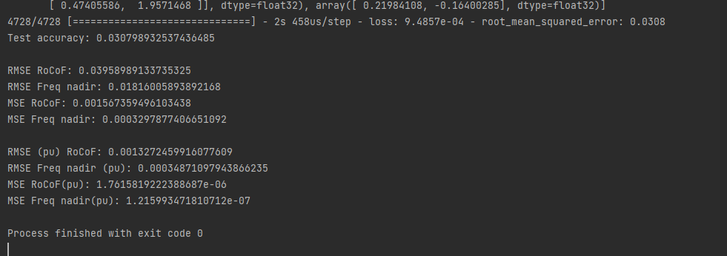
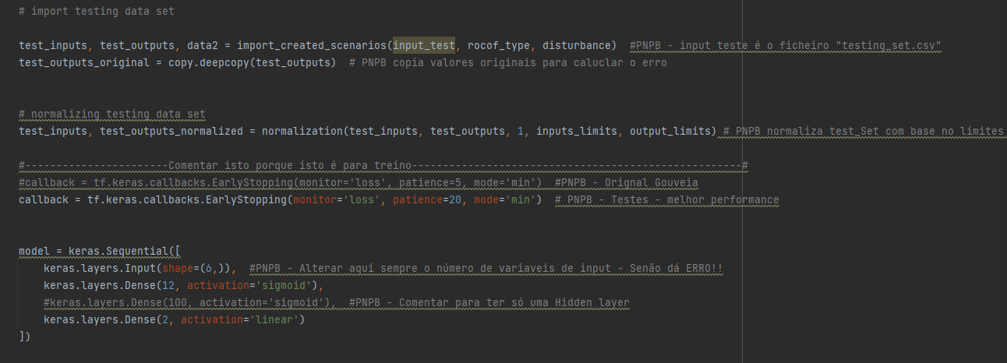
Input Variables |  | Domain (Possible Values) | Notes | ANN Architecture |  | Code Example
Input Var1 | SM_Total_Pgen_(with Losses) MW | Continuous Fixed Value as Dispatched (see prev. Excel Sheet) |  | Type | Feed-forward ANN - Sequential model (linear stack of layers) using Pyhton Keras (TensorFlow package)
Input Var2 | Wind_total_power (MW) | Continuous Fixed Value as Dispatched (see prev. Excel Sheet) |  | Nr. Hidden Layers | 1
Input Var3 | SC1_bus34_Inertia_On (p.u.*Machine_Mbase [s]) | Discrete Value. NOTE: Can assume only 2 Values 0 (SC off) and 866.4 (Inertia of this SC when ON) | Should be optimized/changed (decision Variable) to turn grid secure | Nr. Neurons (1st Hidden Layer) | 12
Input Var4 | SC2_bus37_Inertia_On (p.u.*Machine_Mbase [s]) | Discrete Value. NOTE: Can assume only 2 Values 0 (SC off) and 1619.8 (Inertia of this SC when ON) | Should be optimized/changed to turn grid secure | Nr. Neurons (2nd Hidden Layer) | No Second Layer
Input Var5 | SC3_bus38_Inertia_On (p.u.*Machine_Mbase [s]) | Discrete Value. NOTE: Can assume only 2 Values 0 (SC off) and 2300.0 (Inertia of this SC when ON) | Should be optimized/changed to turn grid secure | Funções de Ativação (1st Hidden Layer) | Sigmoid
Input Var6 | Total_Inertia_SM_On (p.u.*Machine_Mbase [s]) | Continuous Fixed Value as Dispatched (see prev. Excel Sheet) |  | Funções de Ativação (2nd Hidden Layer) | No Second Layer
 |  |  |  | Funções de Ativação (Output Layer) | Linear
 |  |  |  | Data Standardization | Normalization between [0,1] - Min-Max Method:
 |  |  |  | EarlyStopping (Patiente criterion) | -
Output Variables |  | Domain (Possible Values) | Results (ANN Estimated Values) | Nr. Tranining Epochs | Early Stopping criterion activated - stopped at 330 Epochs
Output Var1 | ROCOF (Hz/s) | Continuous value but that must be < 1 Hz/s to mantain grid security | To be Estimed by LIST/ICENT (see comment)
Output Var2 | Nadir (Hz) | Continuous value but that must be < 0.8 Hz to mantain grid security | To be Estimed by LIST/ICENT (see comment)

